Sheet1
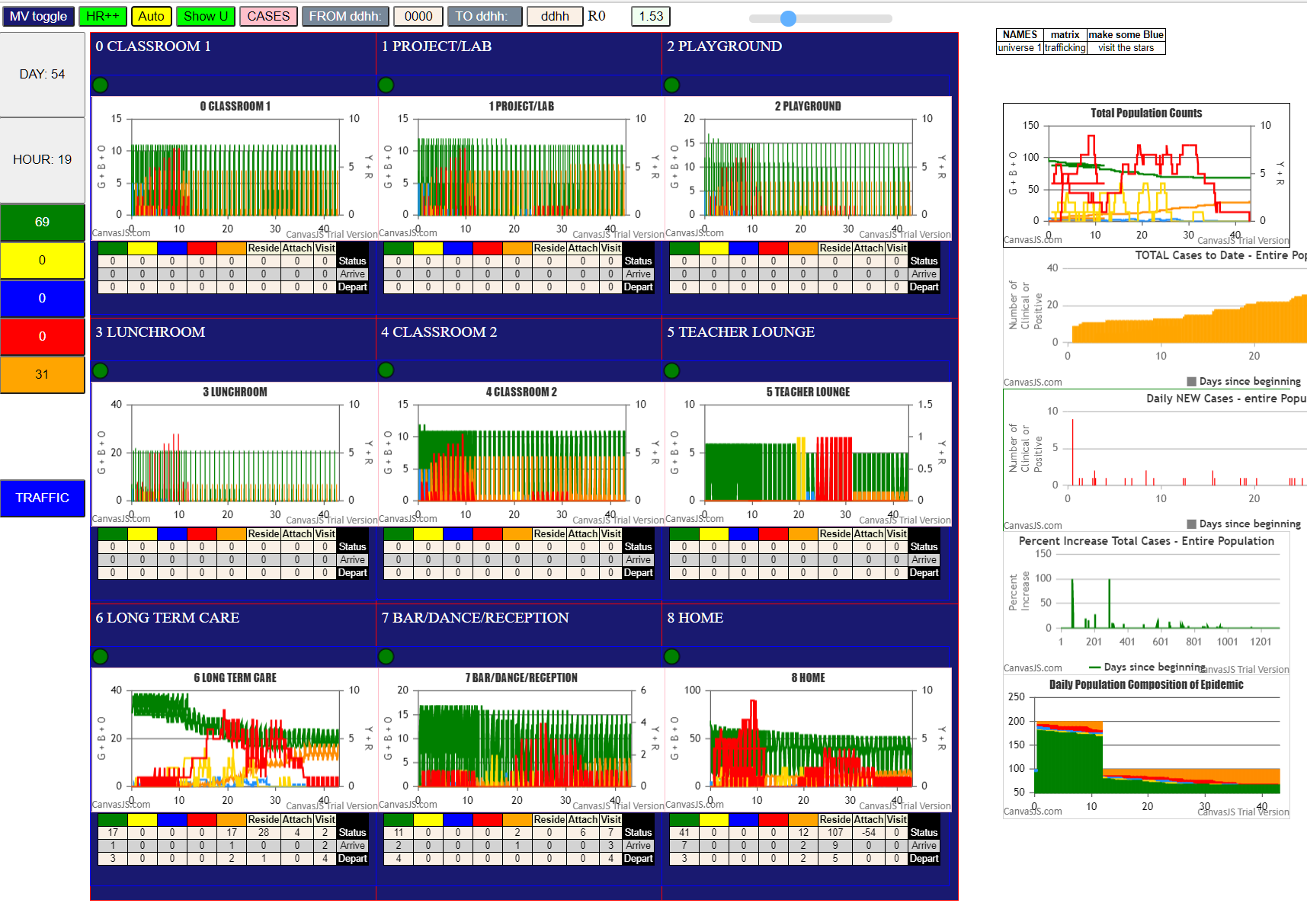

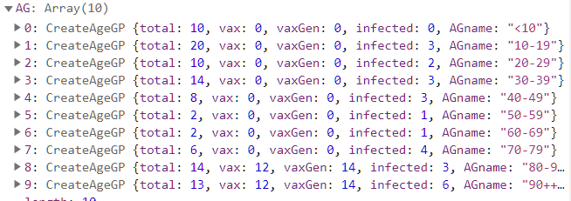

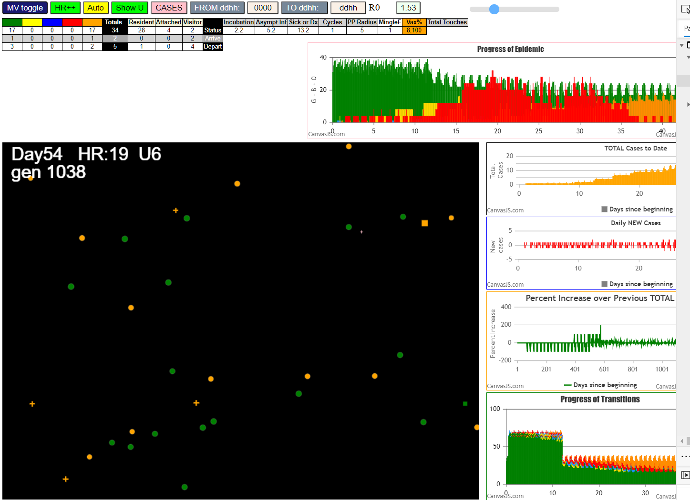

Some messages have been moved to the Issues panel.
TestNanFeb11.js:871 Fri Feb 12 2021 00:02:36 GMT-0800 (Pacific Standard Time)
TestNanFeb11.js:872 CovidSIMVL Mode1 and Mod2 Hybrid 35d
TestNanFeb11.js:873 Mode 1 >13 and <36 is 75%
TestNanFeb11.js:874 Mode 2 >28 is 95%; >13 and <29 is 75%
TestNanFeb11.js:4487 exit covidSim
TestNanFeb11.js:23 getAsText File
TestNanFeb11.js:32 File
TestNanFeb11.js:23 getAsText File
TestNanFeb11.js:32 File
TestNanFeb11.js:2316 5I x:ageGp:fam 17:1:F16 by blue 10:1:F02 at gen36 Univ3 prob=0.414
TestNanFeb11.js:2316 6I x:ageGp:fam 25:1:F06 by blue 13:1:F06 at gen49 Univ8 prob=0.668
TestNanFeb11.js:2316 7I x:ageGp:fam 18:1:F17 by red 12:1:F04 at gen86 Univ1 prob=0.711
TestNanFeb11.js:2316 8I x:ageGp:fam 42:6:F04 by red 12:1:F04 at gen90 Univ8 prob=0.260
TestNanFeb11.js:2316 9I x:ageGp:fam 61:4:F17 by blue 18:1:F17 at gen185 Univ8 prob=0.854
TestNanFeb11.js:2316 10I x:ageGp:fam 50:4:F03 by red 11:1:F03 at gen198 Univ8 prob=0.147
TestNanFeb11.js:2316 11I x:ageGp:fam 43:7:F04 by red 42:6:F04 at gen264 Univ8 prob=0.261
TestNanFeb11.js:1721 Age Group 9,100 1st shot; 2nd auto in 35days
TestNanFeb11.js:1727 Gen14 AgeGp =9 To be vaccinated=100%
TestNanFeb11.js:1738 (31) [62, 69, 70, 71, 72, 73, 74, 75, 76, 77, 78, 79, 80, 81, 82, 83, 84, 85, 86, 87, 88, 89, 63, 64, 65, 66, 67, 68, 59, 60, 61]
TestNanFeb11.js:1754 ageGp9 count: 12 List: 72,73,74,77,79,82,83,84,85,86,87,89
TestNanFeb11.js:1782 Vaccination list = 12
TestNanFeb11.js:1796 AgeGp9 vaccinated 12 List: 77,84,79,85,87,72,86,74,73,82,89,83
TestNanFeb11.js:1721 Age Group 8,100 1st shot; 2nd auto in 35days
TestNanFeb11.js:1727 Gen14 AgeGp =8 To be vaccinated=100%
TestNanFeb11.js:1738 (31) [62, 69, 70, 71, 72, 73, 74, 75, 76, 77, 78, 79, 80, 81, 82, 83, 84, 85, 86, 87, 88, 89, 63, 64, 65, 66, 67, 68, 59, 60, 61]
TestNanFeb11.js:1754 ageGp8 count: 12 List: 69,71,75,76,80,81,88,63,64,66,67,68
TestNanFeb11.js:1782 Vaccination list = 12
TestNanFeb11.js:1796 AgeGp8 vaccinated 12 List: 75,88,71,63,64,68,66,67,80,81,69,76
TestNanFeb11.js:2316 12I x:ageGp:fam 72:9:-1 by red 61:4:F17 at gen106 Univ6 prob=0.121
TestNanFeb11.js:2316 13I x:ageGp:fam 84:9:-1 by blue 72:9:-1 at gen178 Univ6 prob=0.906
TestNanFeb11.js:2316 14I x:ageGp:fam 79:9:-1 by red 61:4:F17 at gen181 Univ6 prob=0.901
TestNanFeb11.js:2316 15I x:ageGp:fam 77:9:-1 by blue 79:9:-1 at gen261 Univ6 prob=0.399
TestNanFeb11.js:2316 15I x:ageGp:fam 85:9:-1 by red 43:7:F04 at gen261 Univ6 prob=0.518
TestNanFeb11.js:2316 17I x:ageGp:fam 81:8:-1 by blue 79:9:-1 at gen264 Univ6 prob=0.382
TestNanFeb11.js:2316 18I x:ageGp:fam 68:8:F14 by red 84:9:-1 at gen324 Univ6 prob=0.309
TestNanFeb11.js:2316 19I x:ageGp:fam 80:8:-1 by red 79:9:-1 at gen338 Univ6 prob=0.054
TestNanFeb11.js:2316 20I x:ageGp:fam 58:4:F14 by blue 77:9:-1 at gen344 Univ6 prob=0.057
TestNanFeb11.js:2316 21I x:ageGp:fam 55:2:F11 by red 72:9:-1 at gen365 Univ6 prob=0.044
TestNanFeb11.js:2169 Vax prevented 79 ageGp9 by 85 ageGp9 gen366 Prob 0.7331658759751098
TestNanFeb11.js:2169 Vax prevented 67 ageGp8 by 85 ageGp9 gen388 Prob 0.5316501483838616
TestNanFeb11.js:2169 Vax prevented 89 ageGp9 by 77 ageGp9 gen391 Prob 0.06268380383175165
TestNanFeb11.js:2195 No transmit 80 ageGp8 on 88 ageGp8 gen415 Prob 0.8265284216621749
TestNanFeb11.js:2169 Vax prevented 83 ageGp9 by 81 ageGp8 gen420 Prob 0.6510941049910199
TestNanFeb11.js:2169 Vax prevented 66 ageGp8 by 84 ageGp9 gen453 Prob 0.6890228789925998
TestNanFeb11.js:2316 22I x:ageGp:fam 56:2:F12 by red 58:4:F14 at gen460 Univ6 prob=0.542
TestNanFeb11.js:2316 22I x:ageGp:fam 32:3:F05 by red 81:8:-1 at gen461 Univ6 prob=0.311
TestNanFeb11.js:2316 24I x:ageGp:fam 74:9:-1 by blue 55:2:F11 at gen463 Univ6 prob=0.995
TestNanFeb11.js:2169 Vax prevented 82 ageGp9 by 55 ageGp2 gen465 Prob 0.2764506502192743
TestNanFeb11.js:2316 25I x:ageGp:fam 65:7:F03 by red 81:8:-1 at gen487 Univ6 prob=0.571
TestNanFeb11.js:2169 Vax prevented 87 ageGp9 by 85 ageGp9 gen504 Prob 0.7435801926752328
TestNanFeb11.js:2316 26I x:ageGp:fam 59:5:F15 by red 77:9:-1 at gen544 Univ6 prob=0.496
TestNanFeb11.js:2169 Vax prevented 87 ageGp9 by 74 ageGp9 gen550 Prob 0.11159451093557804
TestNanFeb11.js:2316 27I x:ageGp:fam 57:3:F13 by red 58:4:F14 at gen556 Univ6 prob=0.756
TestNanFeb11.js:2316 28I x:ageGp:fam 70:7:F15 by blue 74:9:-1 at gen559 Univ6 prob=0.483
TestNanFeb11.js:2195 No transmit 74 ageGp9 on 81 ageGp8 gen571 Prob 0.8092096107958904
TestNanFeb11.js:2316 29I x:ageGp:fam 78:7:-1 by blue 74:9:-1 at gen577 Univ6 prob=0.210
TestNanFeb11.js:2169 Vax prevented 76 ageGp8 by 57 ageGp3 gen675 Prob 0.21199132501137252
TestNanFeb11.js:2169 Vax prevented 88 ageGp8 by 59 ageGp5 gen734 Prob 0.6974285228844188
TestNanFeb11.js:2316 30I x:ageGp:fam 52:3:F07 by red 70:7:F15 at gen742 Univ6 prob=0.317
TestNanFeb11.js:2169 Vax prevented 73 ageGp9 by 57 ageGp3 gen748 Prob 0.26511737920512823
TestNanFeb11.js:2169 Vax prevented 76 ageGp8 by 56 ageGp2 gen748 Prob 0.8442877104188069
TestNanFeb11.js:2169 Vax prevented 67 ageGp8 by 65 ageGp7 gen772 Prob 0.528400481444943
TestNanFeb11.js:2169 Vax prevented 89 ageGp9 by 52 ageGp3 gen937 Prob 0.2801962098835986

